pivot tables
Average Days to Settle Invoices 2020 - 2021
Date | Average of DaysToSettle
2020 | 28
2021 | 25
Grand Total | 26

Average Days to Settle Disputes 2020 - 2021
Disputed | 1
DisputeLost | 0

Date | Average of DaysToSettle
2020 | 38
2021 | 36
Grand Total | 37

Percentage Dispute Won/Lost 2020 - 2021
Disputed | 1

Won/Lost | Count of DisputeLost
Won | 82.31%
Lost | 17.69%
Grand Total | 100.00%

Percentage Revenue Won/Lost 2020 - 2021

Won/Lost | Sum of InvoiceAmount
Won | 95.33%
Lost | 4.67%
Grand Total | 100.00%

DisputeLost | Loss

Country | Sum of InvoiceAmount
Spain | $17,046.00
United States | $22,936.00
China | $42,630.00
Russia | $81,291.00
Revenue Loss Per Country 2020 - 2021
France | $526,264.00
Grand Total | $690,167.00

SQL Querries
Creating the table in SQL:
CREATE TABLE IF NOT EXISTS yellevate_invoices(
country varchar,
customerID varchar,
InvoiceNumber numeric,
InvoiceDate date,
DueDate date,
InvoiceAmount numeric,
disputed numeric,
DisputeLost numeric,
SettledDate date,
DaysToSettle integer,
DaysLate integer
);
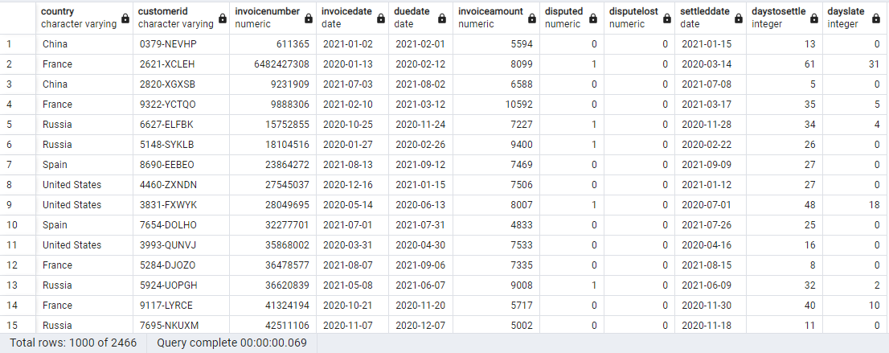

Finding the average processing time in which invoices are settled:
SELECT ROUND(AVG(DaysToSettle)) AS avg_days_settled
FROM yellevate_invoices


Finding the processing time for the company to settle disputes:
SELECT ROUND(AVG(daystosettle)) as avg_processing_time
FROM yellevate_invoices
WHERE disputed = 1 AND disputelost = 0


Finding the percentage of disputes received by the company that were lost:
SELECT ROUND((SUM(disputelost)/COUNT(disputed))*100, 2) AS percent_dispute_lost
FROM yellevate_invoices
WHERE disputed = 1;


Finding the percentage of revenue lost from disputes:
SELECT ROUND((SUM(CASE WHEN disputelost = 1 THEN invoiceamount ELSE 0 END)/SUM(invoiceamount))*100, 2) as percent_revenue_lost
FROM yellevate_invoices;


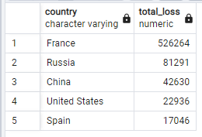
Finding the country where the company reached the highest losses from lost disputes (in USD):
SELECT country, SUM(CASE WHEN disputelost = 1 THEN invoiceamount else 0 END) as total_loss
FROM yellevate_invoices
WHERE disputed = 1
GROUP BY country
ORDER BY total_loss DESC

sales analysis and recommendati
Total Sales and Loss 2020 - 2021
Disputed | (All)

Settled/Loss | Sum of InvoiceAmount
Settled | $14,080,151.00
Loss | $690,167.00
Grand Total | $14,770,318.00

Total Sales Per Country
DisputeLost | (Multiple Items)
Low sales in certain countries and customers:
If sales are low in certain countries and customers, we may need to investigate the reasons on having this issue and to implement effective marketing strategies to generate more sales. This may involve conducting market research to identify the demand and needs or offering customized services for specific customers. We can also pinpoint where most of the dispute loss came from by filtering the losses and CustomerID.
Country | Sum of InvoiceAmount
China | $4,004,896.00
France | $3,942,291.00
United States | $2,738,077.00
Russia | $2,450,206.00
Spain | $1,634,848.00
Grand Total | $14,770,318.00

Total Sales Per Customer
 | Settled | Loss
9725-EZTEJ | $126,486.00 | $88,124.00
8389-TCXFQ | $166,517.00 | $43,067.00
5164-VMYWJ | $197,277.00 | $21,307.00
6160-HCSFI | $215,312.00
4640-FGEJI | $221,784.00 | $41,762.00
6048-QPZCF | $222,869.00 | $14,910.00
6833-ETVHD | $225,230.00 | $8,506.00
5924-UOPGH | $225,765.00 | $7,236.00
6708-DPYTF | $226,828.00
1080-NDGAE | $246,117.00 | $18,564.00
Sum of InvoiceAmount | Column Labels
CustomerID | Settled | Loss | Grand Total
9725-EZTEJ | $126,486.00 | $88,124.00 | $214,610.00
8389-TCXFQ | $166,517.00 | $43,067.00 | $209,584.00
5164-VMYWJ | $197,277.00 | $21,307.00 | $218,584.00
6160-HCSFI | $215,312.00 |  | $215,312.00
4640-FGEJI | $221,784.00 | $41,762.00 | $263,546.00
6048-QPZCF | $222,869.00 | $14,910.00 | $237,779.00
6833-ETVHD | $225,230.00 | $8,506.00 | $233,736.00
5924-UOPGH | $225,765.00 | $7,236.00 | $233,001.00
6708-DPYTF | $226,828.00 |  | $226,828.00
1080-NDGAE | $246,117.00 | $18,564.00 | $264,681.00
Grand Total | $2,074,185.00 | $243,476.00 | $2,317,661.00

DisputeLost | (Multiple Items)

Sales Trends Over Time
Seasonal patterns in sales:
If there are seasonal patterns in sales, we may need to adjust staffing levels or inventory to meet demand during peak seasons. This could involve hiring temporary workers or increasing inventory levels during high-demand periods.
Date | Sum of InvoiceAmount
2020 | $7,033,901.00
Jan | $76,523.00
Feb | $480,734.00
Mar | $656,275.00
Apr | $624,357.00
May | $674,334.00
Jun | $611,382.00
Jul | $609,449.00
Aug | $606,465.00
Sep | $698,654.00
Oct | $672,675.00
Nov | $665,251.00
Dec | $657,802.00
2021 | $7,660,227.00
Jan | $659,312.00
Feb | $650,969.00
Mar | $600,016.00
Apr | $655,424.00
May | $668,043.00
Jun | $764,809.00
Jul | $586,174.00
Aug | $705,357.00
Sep | $672,510.00
Oct | $584,676.00
Nov | $666,635.00
Dec | $446,302.00
2022 | $76,190.00
Jan | $76,190.00
Grand Total | $14,770,318.00

Dispute Rate 2020 - 2021
High dispute rate:
We need to identify the dispute and its causes and develops strategic methods to address them. Possible causes of disputes could include unclear contract terms and poor communication with clients. To address these issues, we may need to review and modify contracts and improve how we communicate with our clients.
Slow dispute resolution:
If disputes take too long to get resolved, we may need to implement faster, easier, yet effective dispute resolution process. This could involve hiring additional staff or investing in technology to automate the dispute resolution process.
Disputes | Dispute Rate
Without Dispute | 76.85%
With Dispute | 23.15%
Grand Total | 100.00%

